Application Screen
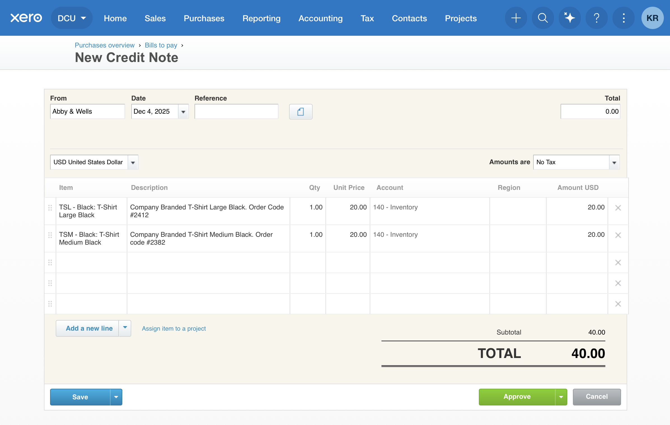

Test Case 13
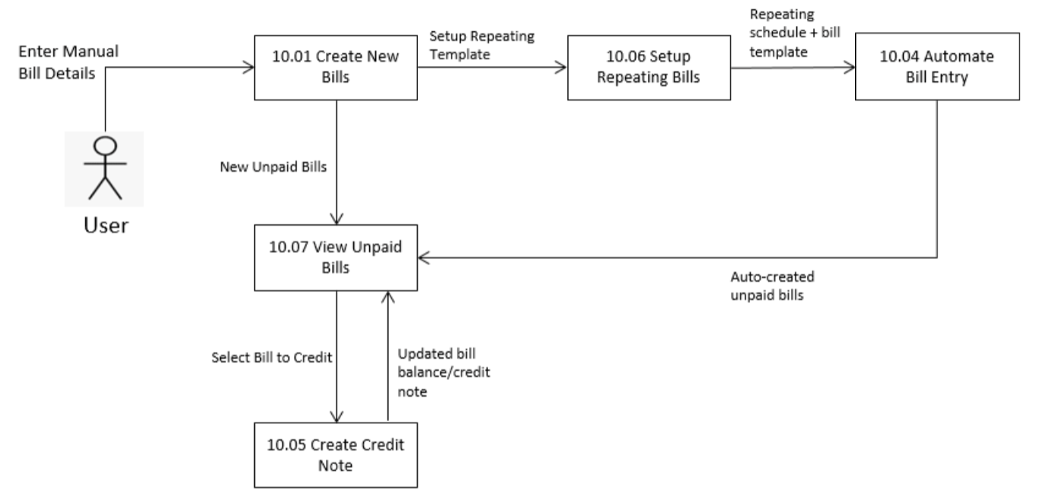
TC Title: | TC13 – Create Credit Note – DF-In (Data Flow – Inbound)

TC Objective: | Ensure correct retrieval of supplier and invoice data when creating credit note.

Test Data (optional): | Existing invoices

TC Description
 | Step | Step Description | Expected Results
 | 1 | Open Create Credit Note page | Supplier list and invoice info fetched correctly

